Typescript
Photo | Thing | Difficulty | Description | Learn More | Rough Notes
 | console.log | Easy | Log a message to the console. | https://youtu.be/Okoum6PWpYU?si=fYBTCrkFcgfCpGSD&t=60
 | console.clear | Easy | Allows you to clear the console on the TypescriptLang Playground. | https://youtu.be/Okoum6PWpYU?si=v6K12yQ-QLKfRvXi&t=627
 | const / let | Easy | const creates a variable that does not change. let creates a variable that can have the assigned value changed. | https://youtu.be/Okoum6PWpYU?si=S1rQByxFuNY33QoV&t=267
 | = | Easy | = "Set To" is used to set the value of a variable.
 | type | Medium | Create custom types enabling cleaner more readable code with a less likely chance to have errors. | https://youtu.be/Hw0HpR1BzvI
 | camelCase | Easy | camelCase starts lower case and uses uppercase for following words. camelCase is used to name values and functions.
 | PascalCase | Easy | PascalCase uses uppercase for all words. PascalCase is used to name Classes, Types, and Enums. Correctly using camelCase and PascalCase is not a requirment of Typescript, but is highly encouraged as it is practiced by the entire industry and makes code easier to read.
 | enum | Easy | I vowed to tell you about all of the things. This one I try to forget exists. Just use a type instead. enums are used to group related values under a single name. They compile into JavaScript, unlike type aliases, which means they add a bit of code. By default, enum values are numbers, but you can also assign strings. While type unions are often preferred for flexibility and zero runtime cost, enums can still be useful—just be mindful of the extra overhead.
 | null / undefined | Easy | We have two null types in Typescript. It is best to stick with one and forget the other as null does not equal undefined. I recommend undefined, this is because many built in features use undefined already.
 | && | Easy | && "And" is used in if statements to check that two boolean values are true.
 | || | Easy | || "or" is used in if statements, returns true if either value is true. And only returns false if both are false.
 | | | Easy | | "or" is used when creating or specifying a type, meaning the item can be either type.
 | === | Easy | === "Equals To" returns true if both values are exactly equal. Do not use the outdated == as it tries really hard to coalesce values, this has unexpected consequences and you should only use triple equals.
 | !== | Easy | !== "Not Equal To" returns true if values are not equal. Similarly do not use the outdated != as it can have unexpected results.
 | ! | Easy | ! "not," the not operator allows you to filp a boolean value. Ie. not true is false, and vice versa. In code this looks like: !someBool
 | "!" Ignore Type Saftey | Easy | You can also use ! to get around Typescripts type saftey checker. This really should never be used, there is almost always a way to write code without using an !. It is also a quick way to run yourself into an error and find your code not working. The type saftey system is your friend.
 | any | Easy | any, like !, is used to get around Typescripts type checking. There are near zero cases where any should be used.
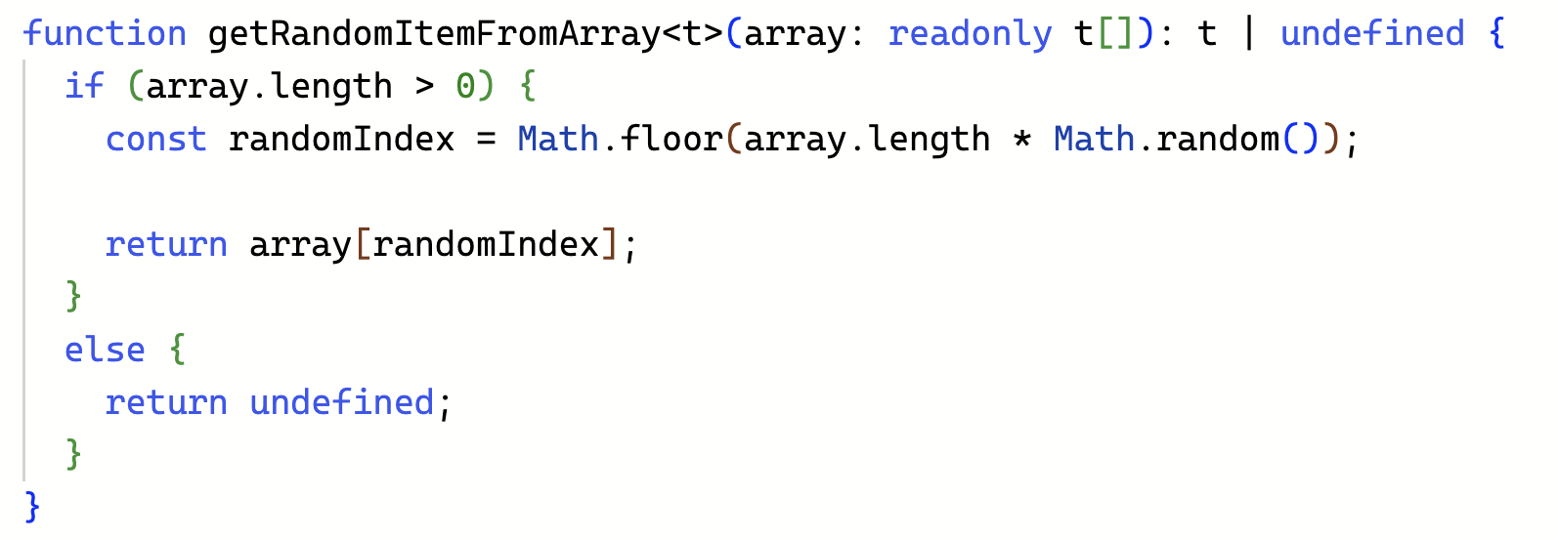 | Generic Function | Medium | It is possible to create a generic function that takes a type (t), an array of that type, and returns a value of that type. This is really useful when making custom array tools like getRandomItemFromArray(). Notice that readonly means that the function will not modify the array. You will also see that it returns undefined if there are no items in the array. |  | The 'else' block in the example is redundant
 | Only Run If Defined ? | Easy | If you have an object that might be undefined, the ? can be used to tell the code to only run if it is defined. Otherwise undefined is returned.
 | Ternary Operator ? : | Easy | The ternary operator is a shortcut for if / else. It chooses one of two values based on a condition. It follows the pattern: boolean ? valueIfTrue : valueIfFalse. Great for quick and consise code when you just want to set a value.
 | Nullish Coalescing Operator ?? | Easy | ?? returns the value on the left unless it’s null or undefined. If it is, it returns the value on the right. It’s useful for setting default values without accidentally replacing things like 0 or "" (empty string), which are still valid values.
 | string / number / boolean | Easy | A string is text, it can be made using 'single ticks', "quotes," and `back ticks.` A number is a 64bit float storing both whole and decimal numbers. A boolean can be either true or false.
 | function | Easy | functions group code that can be reused. They accept input (parameters) and can return output. Define them with function and optionally add a return type. function identifyingName(stringParameter: string): ReturnType { //code goes here } | https://youtu.be/Okoum6PWpYU?si=t9W0-I0jjcDeDc1_&t=733
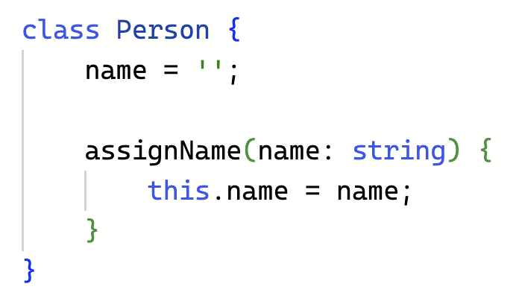 | method | Easy | A method is a function defined inside a class, but it does not have the function prefix.
 | Variables With Multiple Types | Easy | You can create a variable that accepts more than one type using the | "or" symbol. For example, a variable can be either a number or a string. | https://youtu.be/Okoum6PWpYU?si=-3RXyaMkd_5s-u3R&t=856
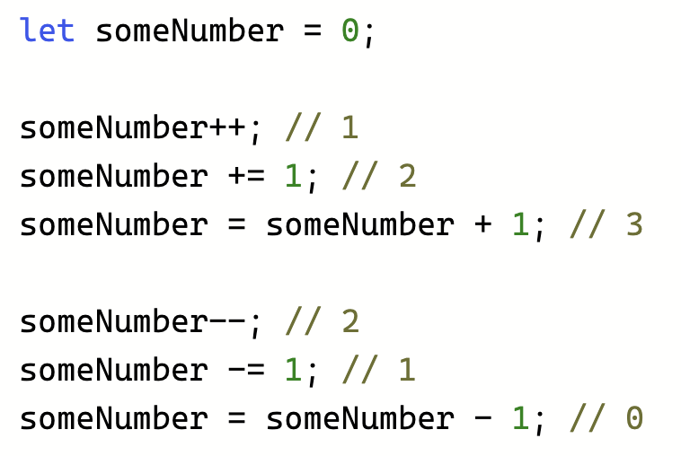 | Add & Subtract | Easy | There are multiple ways to increase / decrease a number value, include ++, += 1, = value + 1, --, -=, and = value - 1. | https://youtu.be/Okoum6PWpYU?si=_pN5FcLV8dDr6laq&t=1230
 | for loop | Easy | A for loop is great when you know exactly how many times you need to iterate. | https://youtu.be/Okoum6PWpYU?si=TYLcUKt8xzIijrR4&t=1412
 | while loop | Easy | A while loop is great when you don't know how many times you will need to iterate. | https://youtu.be/Okoum6PWpYU?si=O0Iu0OnldXfWVXKb&t=1735
 | forEach | Easy | forEach runs a function once for each item in an array or map. It's a quick way to loop through all items. | Might be nice to replace some of these video links with screenshots of an example or two...
 | if / else / else if | Easy | Run code if a condition is true. Else if do something else. And a final else can catch any unhandled cases.
 | case / switch / break | Medium | A switch lets you check a value against multiple cases. Each case can run different code. If you don’t use break, it keeps running the next cases too. Use break in each case to run code only for a specific case (though in that case you could just use an if / else if). There is also an option for "default" which matches with anything that doesn't match any of the other cases.
const timerID = this.async.setInterval(() => { this.updateCounter(); }, 1_000); this.async.setTimeout(() => { this.async.clearInterval(timerID); }, 60_500); | async / setTimeout / setInterval | Medium | setTimeout is used to delay code execution by some amount of milliseconds. setInterval can be used to create an interval, which acts like a loop running the same code after the delay and then repeating after that given delay indefinitely. You can cancel a setTimeout and a setInterval by using the number ID that is returned when you call the method, by inputing the ID into the clearTimeout and clearInterval methods. | https://youtu.be/T22myVPJJLE
 | Math.random | Easy | Returns a random number with decimals from 0 to 1 (not including 1).
 | Math.min / Math.max | Easy | Math.min returns the minimum number out of a series of numbers. And vice versa for max.
 | Math.floor / Math.ceil | Easy | Math.floor removes the decimal places off a number, effectively rounding down. Math.ceil rounds up to the nearest whole number. If you want to round to the closest number you can do: Math.floor(someNumber + 0.5).
 | Modulus % | Medium | Modulus returns the remainder. This is great if you are counting minutes and seconds and need to know how many seconds are left when subtracting out the minutes. Ie. 125 % 60 = 5.
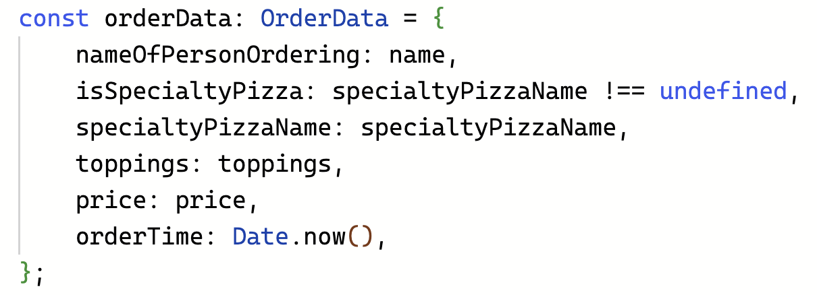 | JSON Object | Medium | A way to store functions and data. Useful for creating your own type, or sending a payload. In Horizon, JSON Objects can be stored on a Players PPV, supports up to 10k charachters in length. Use JSON.stringify(someObject).length to check the character count.
 | JSON.stringify | Easy | Converts a JSON Object into a string, useful for logging to the console.
 | Array | Easy | An array is a list of items, typically of the same type. Ie. a string array might contain various toppings for a pizza. They are created using square brackets: ['Pepperoni', 'Cheese', 'Bacon'].
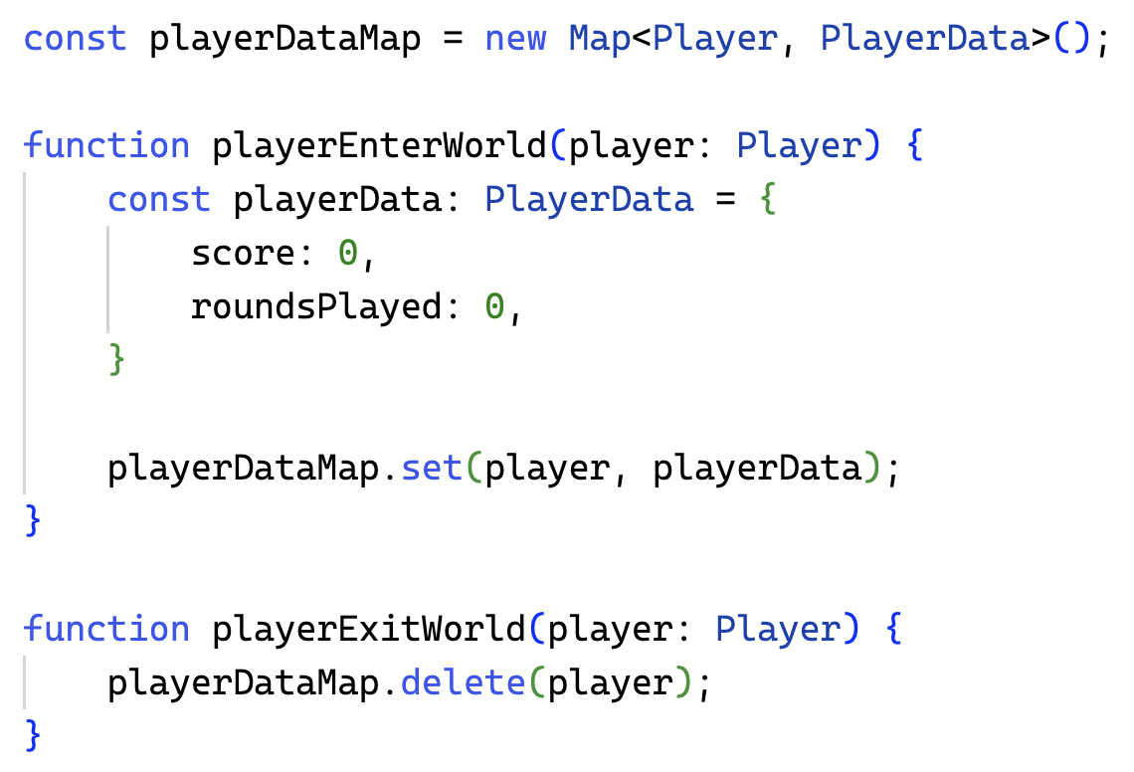 | Map | Medium | A Map lets you store key-value pairs. It's useful when some data (like player stats) is linked to a unique key (like a username). While there are not indexes like an array, when you do run forEach over a map, it returns the values in the order they were added to the map.
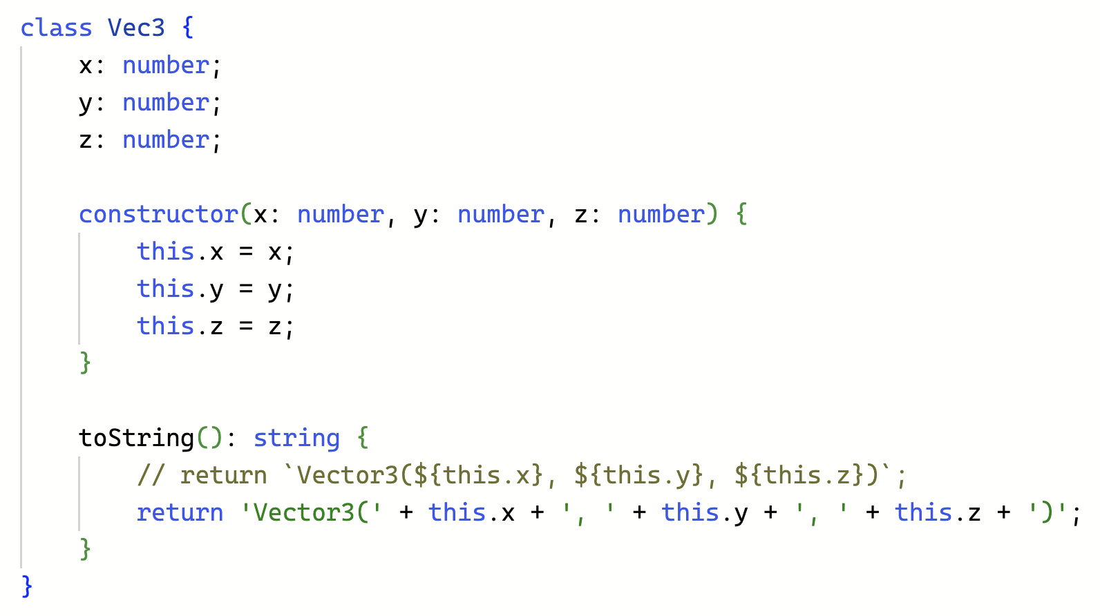 | Class | Medium | A class is a blueprint for creating Javascript Objects. A class is useful when you need to create something that will have many copies and needs to have local methods. Consider the Vec3 class provided by Horizon, you can have many Vec3 values, and there are various math and utilities provided by the class. Ie. normalize, magnitude, and clone.
*Lines Added Below This Will Need To Be Added To The Summary Page*
// nested 'if' function welcomePlayer(player?: Player) { if (player) { if (player.isOnline) { console.log(`Welcome back, ${player.name}!`); } } } // with guard clauses function welcomePlayer2(player?: Player) { if (!player) return; // Guard 1: player must exist if (!player.isOnline) return; // Guard 2: must be online console.log(`Welcome back ${player.name.get()}`); } | Guard 'if's | Easy | A guard if is a simple way to handle edge cases early and exit if needed. It avoids deep nesting, making your code cleaner, clearer, and easier to follow.
// forEach Example someNumbers.forEach(n => { if (n === 3){ return; // Only exits the callback, NOT the loop } console.log(n); // Outputs: 1, 2, 4, 5, etc — keeps going past 3 }); // for..of example for (const n of someNumbers) { if (n === 3){ break; //Doesn't continue past 3 } console.log(n); // Outputs: 1, 2 — stops at 3 } | for..of / forEach | Easy | `for...of` may be a better choice than `forEach` in certain circumstances because it gives more control over the flow of your code — you can `break`, `continue`, and even use `await` when needed. That’s especially helpful when timing matters, like in animations or step-by-step interactions. `forEach`, by contrast, runs a callback for each item without waiting, which leads to things happening near instantly.

